{PED}Results & Performa
Section | Count of Section
Title | 1
Promotion Period 1 | 1
Promotion Period 2 | 1
Promotion Period 3 | 1
Overall Performance (Metric 5 Opinion) | 1
Grand Total | 5

Section | Promo Date
Promotion Period 1 | 2016-06-23
Promotion Period 2 | 2016-08-24
Promotion Period 3 | 2016-01-20

Sales Day Classification
Sales Day Classification (Metric 6)
Sales_Day_Classification | Count of Days
D.Normal Day | 436
A.Potential Promotion Day(High Volume, Low Price) | 311
C.Low Price Day | 221
B.High Volume Day | 85

Daily Sales price
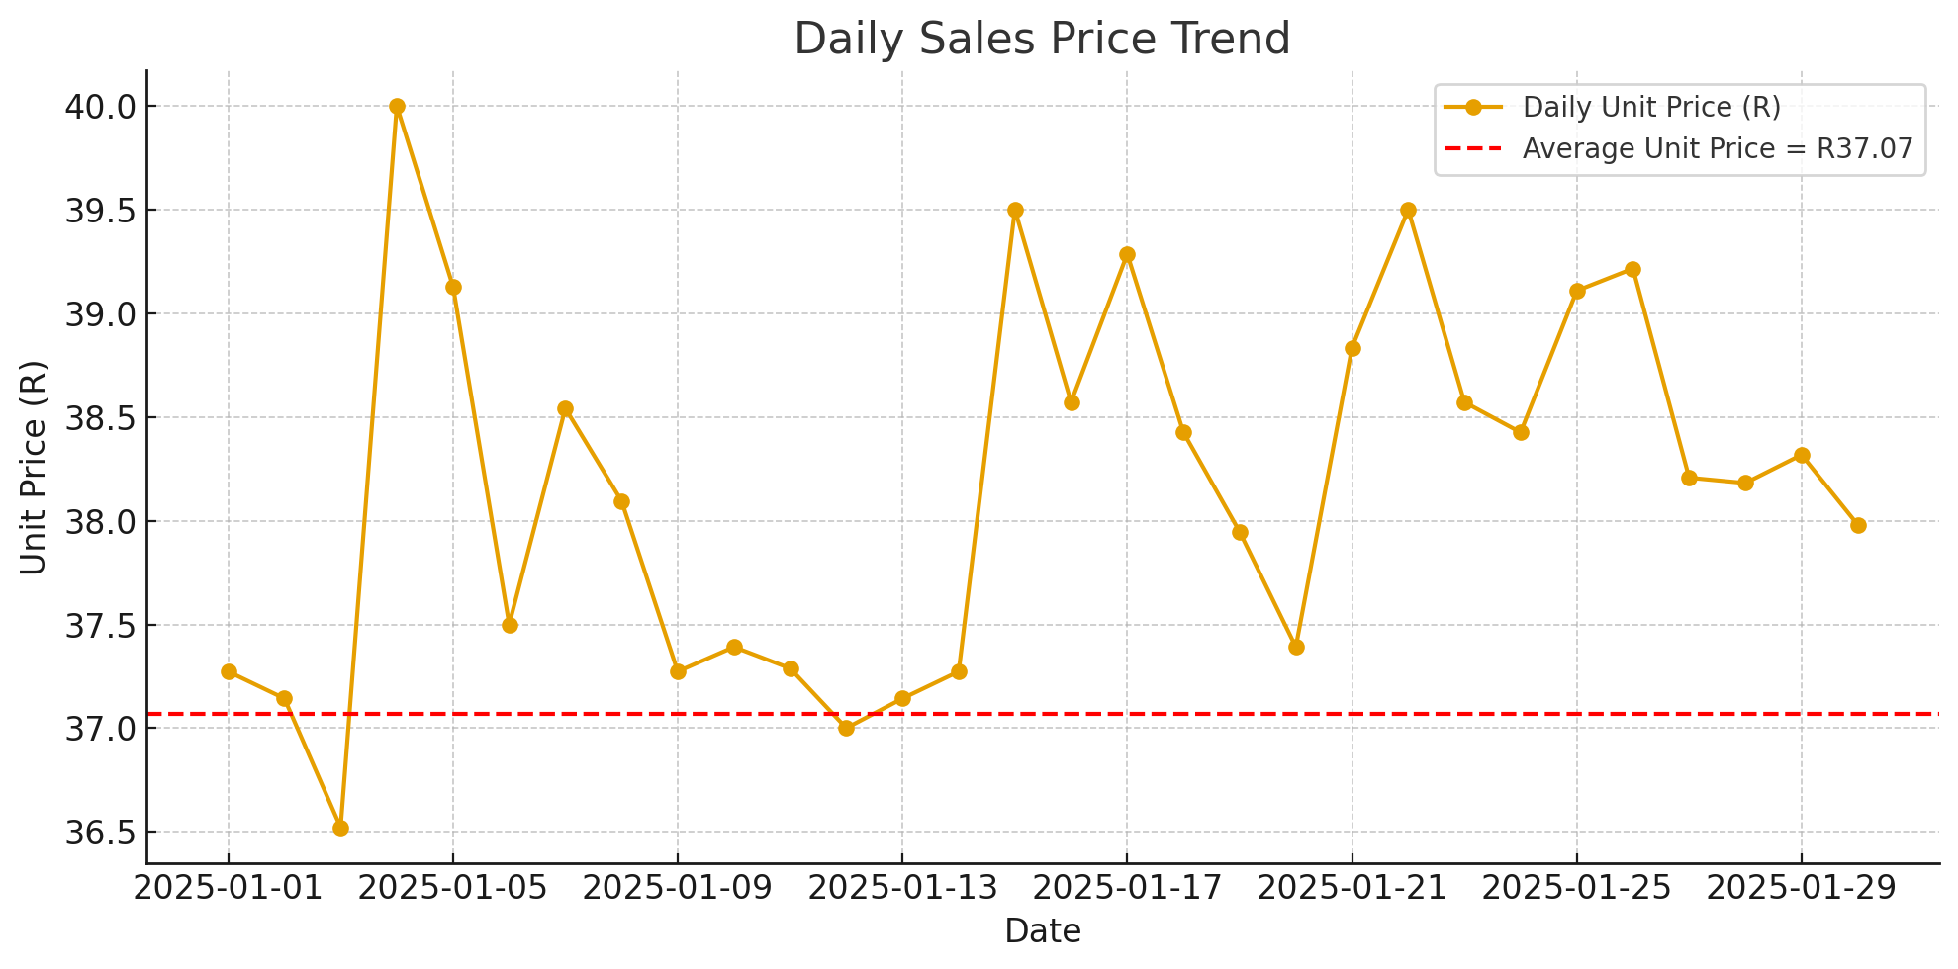
Metric | Result
Metric 1: Daily Sales Price Range | Highly variable, ranging from R36.52 to R40.00
Metric 2: Average Unit Price | R37.07 (Benchmark price across periods)
Metric 3 & 4: Average Gross Profit % | –1.7% (Requires immediate strategy to increase price or reduce cost)

